12.2.0.1
Patch Number | Bug Number | Description | File | Note
30138470 |  | 12.2.0.1.191015 (Oct 2019) Database Release Update | p30138470_122010_Linux-x86-64.zip
30133625 |  | 12.2.0.1.191015 (Oct 2019) OJVM Release Update | p30133625_122010_Linux-x86-64.zip
30116802 |  | 12.2.0.1.191015 (Oct 2019) GI Update | p30116802_122010_Linux-x86-64.zip
29782211 | 29782211 | ORA-00700 SHOULD ONLY BE REPORTED WHEN BLOCK_CHECKING SET | p29782211_12201190716DBJUL2019RU_Linux-x86-64.zip
28310558 | 28310558 | (OCW) LNX-191-SIHA: OHSAD CPU UAGE IS AROUND 8% WITHIN RESTART ENV | ?
29500257 | 29500257 | ORA-28112 WHILE SELECT FROM AP_INVOICES_ALL TABLE AFTER APPLYING OCT 2018 DB BP | p29500257_12201190716DBJUL2019RU_Linux-x86-64.zip
29019842 | 29019842 | MERGE REQUEST ON TOP OF 12.2.0.1.0 FOR BUGS 28398639 23103778 24829009 (DATAPUMP) | p29019842_122010_Generic.zip
26586343 | 26586343 | HIGH CPU CONSUMPTION WHILE RUNNING SPA QUICK CHECK FROM EM EXPRESS | p26586343_122010_Generic.zip
27855651 | 27855651 | ADWC: PDB PITR SHOULD NOT DELETE RMAN INJECTED FILES | p27855651_12201190716DBJUL2019RU_Linux-x86-64.zip
28375106 | 28375106 | LNX-191-CRS:MIGRATING SCHEMA DURING DIAG FMW INIT CAN CAUSE SECOND ORDER EFFECTS (Doc ID 2419515.1) | p28375106_122010_Linux-x86-64.zip
25416731 | 25416731 | TABLESPACE IO STATISTICS MISSING FROM AWR REPORT | p25416731_12201190716DBJUL2019RU_Linux-x86-64.zip
27935493 | 27935493 | AFTER SWITCHOVER, ERROR ORA-16778 IS REPORTED IN DGMGRL | p27935493_12201190716DBJUL2019RU_Linux-x86-64.zip | Patch Merge LGT
24836489 | 24836489 | DATAFILES ARE CREATED WRONG LOCATION IN OMF DEFINED PDB DATABASE | p24836489_12201190716DBJUL2019RU_Linux-x86-64.zip
25869578 | 25869578 | AWRLOAD.SQL DOES NOT SUPPORT LONG DMP FILE NAME (AWR WAREHOUSE ONLY) | p25869578_122010_Generic.zip
26327418 | 26327418 | DATALAYER: ORA 7445 [DBGDLOOKUPEVENTNODE] AND INSTANCE CRASH | p25989066_12201181016DBOCT2018RU_Linux-x86-64.zip
29900824 | 29900824 | HUGE NUMBER OF TRACE FILES UNDER DB TRACE LOCATION AFTER 18C UPGRADE | p29900824_12201190716DBJUL2019RU_Linux-x86-64.zip | 2567636.1
26724511 | 26724511 | AUTO OPTIMIZER STATS RUN MULTIPLE JOBS DURING MAINTENANCE WINDOWS | p26724511_12201190716DBJUL2019RU_Linux-x86-64.zip
27574891 | 27574891 | UBS OBSERVED INTEL_SSSE3_REP_MEMCPY()+10163 IN THE ALERTLOG | p27574891_12201190716DBJUL2019RU_Linux-x86-64.zip
28802066 | 28802066 | SYS_CONTEXT('USERENV', 'SESSIONID') DISPLAYS INCORRECT INFORMATION WHEN QUERYING | p28802066_12201190716DBJUL2019RU_Linux-x86-64.zip
26558437 | 26558437 | DATABASE LINK FAILS WITH ORA-2019 WHEN SELECT ANOTHER USER VIEW. | p26558437_12201190716DBJUL2019RU_Linux-x86-64.zip
26979692 | 26979692 | Wrong Results / ORA-12801 / ORA-1843 with single px server optimization | p26979692_122010_Linux-x86-64.zip | 3-20676735351
29450812 | 29450812 | BAD EXECUTION PLAN WITH OR QUERY AFTER UPDATE TO 12.2.0.1 | p29450812_12201190716DBJUL2019RU_Linux-x86-64.zip | 3-20676735351
29249289 | 29249289 | BACKPORT OF LOCAL UNDO V$UNDOSTAT BUG 27543971 | p29249289_12201190716DBJUL2019RU_Linux-x86-64.zip | 3-20676735351
26962111 | 26962111 | ORACLE 12C UNABLE TO SUPPORT MORE THAN 240 PDBS | p26962111_12201190716DBJUL2019RU_Linux-x86-64.zip
30088912 | 30088912 | ORA-04045 DURING DATAPATCH EXECUTION AFTER APPLYING 12.2 AND 18C RU PATCHES. | p30088912_12201190716DBJUL2019RU_Generic.zip
29170232 | 29170232 | RAC: LNX64-19.2-ASM,DB INSTS CRASH WITH ORA-000[KJBRCVT:!S] | p29170232_122010_Linux-x86-64.zip
27834569 | 27834569 | Hang In RAC CDB Showing 'row cache lock' And 'reliable message' Wait Events | p27834569_12201181016DBOCT2018RU_Linux-x86-64.zip
25054064 | 25054064 | TST&PERF:EBS: VERY HIGH VERSION COUNT AND CURSOR MUTEX WAITS AFTER PLUG INTO CDB (Patch | p25054064_12201190716DBJUL2019RU_Linux-x86-64.zip
 | 28722229
 |  | For issues documented after the release of this patch, see My Oracle Support Document 2534830.1 Database GI/OJVM/Update/Revision 12.2.0.1 Jul2019 Known Issues

PENDING:
22522515 | 22522515 | DNFS: Crashes/ hangs seen in Direct NFS when IPv6 is being used | Not Available yet
 | RAC: | Library Cache Lock' (Cycle) Seen During DataPump Import in 12.2 RAC Environment (Doc ID 2407491.1)
28073470 | 28073470 | QUERY WITH ANSI JOIN RETURNS WRONG RESULT | Workaround: _eliminate_common_subexpr" = false / _optimizer_generate_transitive_pred" = false
27869399 | 27869399 | Bug : 12.2 AND ABOVE DOES NOT CONSIDER CONCATENATION WITH WINDOW FUNCTION | 2433746.1 | workaroudn:1. optimizer_features_enable = '12.1.0.1'; 2. "_fix_control" = '5302124:0'; 3. "_optimizer_cost_based_transformation" = 'OFF'; 4. "_optimizer_cbqt_or_expansion" = 'OFF'; 5. Use hint USE_CONCAT in query
 |  | PR-43092Request ID:803808679923097992413 Requested:19 days ago
 |  | PR-42788Request ID:80380867992663799232179921317992309799156079924137992365 / Requested:11 days ago
 |  | PR-42762Request ID:8038086799266379921317992309799156079924137992365

SYSAUX Growth wegen:
BEGIN
DBMS_SQLTUNE.SET_TUNING_TASK_PARAMETER (
task_name => 'AUTO_STATS_ADVISOR_TASK'
, parameter => 'EXECUTION_DAYS_TO_EXPIRE'
, value => 30
);
END;
/
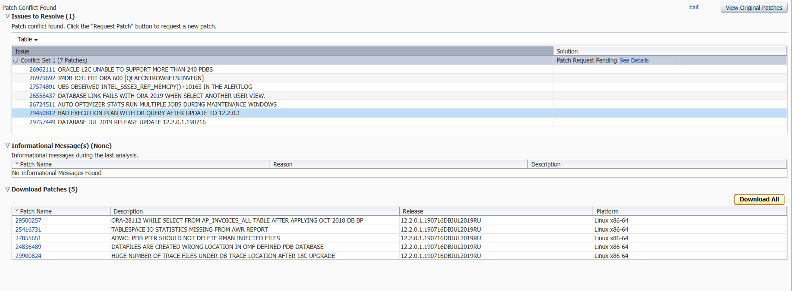

Unpublished Bug 29060216 WRONG RESULTS WITH CTAS WITH BLOOM FILTER IN USE
Bug 28073470 QUERY WITH ANSI JOIN RETURNS WRONG RESULT
Unpublished Bug 28375383 ANSI LEFT OUTER JOIN WITH INLINE AND WITH GIVES WRONG RESULT
Unpublished Bug 27587905 WRONG RESULTS ON QUERY WITH SUBQUERY USING OR EXISTS
Unpublished Bug 26588069 WRONG RESULT USING GROUP BY WITH TO_CHAR FUNCTION AFTER UPGRADING TO 12.2.0.1
Unpublished Bug 26087754 ORA-7445 AND/OR WRONG RESULTS FROM CBQT OR EXPANSION
Unpublished Bug 24683149 QUERY RETURNS WRONG RESULT IN PARALLEL
Bug 29312889 PARALLEL QUERY RETURNS WRONG RESULT AFTER UPGRADING FROM 12.1 TO 12.2
Bug 24563796 WRONG RESULT IN COLUMN VALUE IN 12C
Unpublished Bug 28098040 WRONG RESULTS WITH ROWSETS AND ARRAY BINDS
Unpublished Bug 29525242 18.5 ORA_ROWSCN RETURNS EMPTY RESULT FROM REFCURSOR
Bug 22265788 ORA-600 [KKQCLSCHANGECOLFROCB1: NO MATCHING TABLE!] FROM SUBQUERY COALESCING
Bug 29182901 WRONG COUNT WAS RETURNED WHEN _OPTIMIZER_ENHANCED_JOIN_ELIMINATION=TRUE
Bug 27254335 WRONG RESULTS FROM SELF-JOIN ON A SUBPARTITIONED TABLE IN 12.2.0.1
Bug 27769361 WRONG RESULT OR ORA-1007 OR ORA-1722 OCCURS WHEN USING LOOPBACK DBLINK

